Sheet1
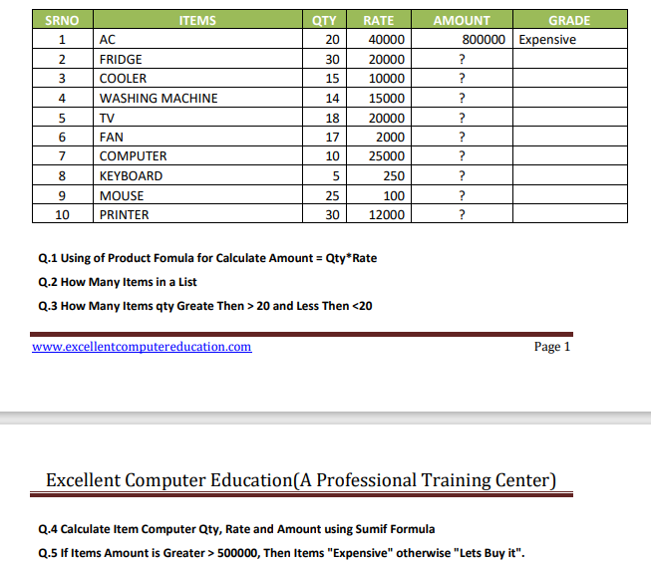
SRNO | ITEMS | QTY | RATE | AMOUNT | GRADE
1 | AC | 20 | 40000 | 800000 | Expensive
2 | FRIDGE | 30 | 20000 | 600000 | Expensive
3 | COOLER | 15 | 10000 | 150000 | Let it buy
4 | COMPUTER | 14 | 15000 | 210000 | Let it buy
5 | TV | 18 | 20000 | 360000 | Let it buy
6 | FAN | 17 | 2000 | 34000 | Let it buy
7 | COMPUTER | 10 | 25000 | 250000 | Let it buy
8 | KEYBOARD | 5 | 250 | 1250 | Let it buy
9 | MOUSE | 25 | 100 | 2500 | Let it buy
10 | PRINTER | 30 | 12000 | 360000 | Let it buy
 | 10

Q3 | 3
less than 20 | 6

 |  |  | 24
 |  |  | 40000
 |  |  | 460000

 |  |  |  | fgfjkh

Sheet4
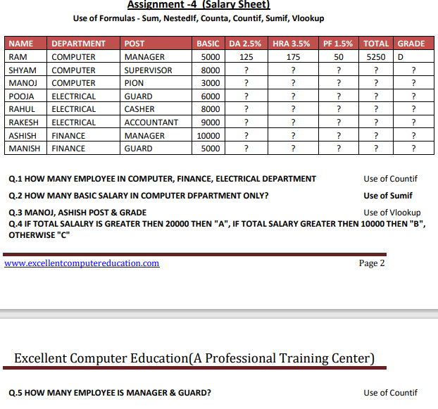
NAME | DEPARTMENT | POST | BASIC | D.A 2.5% | HRA 3.5% | PF 1.5% | TOTAL | GRADE
RAM | COMPUTER | MANAGER | 5000 | 125 | 175 | 75 | 5375 | C
SHYAM | COMPUTER | SUPERVISOR | 8000 | 200 | 280 | 120 | 8600 | C
MANOJ | COMPUTER | PION | 3000 | 75 | 105 | 45 | 3225 | C
POOJA | ELECTRICAL | GUARD | 6000 | 150 | 210 | 90 | 6450 | C
RAHUL | ELECTRICAL | CASHER | 8000 | 200 | 280 | 120 | 8600 | C
RAKESH | ELECTRICAL | ACCOUNTANT | 9000 | 225 | 315 | 135 | 9675 | C
ASHISH | FINANACE | MANAGER | 10000 | 250 | 350 | 150 | 10750 | B
MANISH | FINANACE | GUARD | 5000 | 125 | 175 | 75 | 5375 | C

Q1 | 3
 | 2
 | 3
Q2 | 16000
Q5. | 2
 | 2

